screenshots
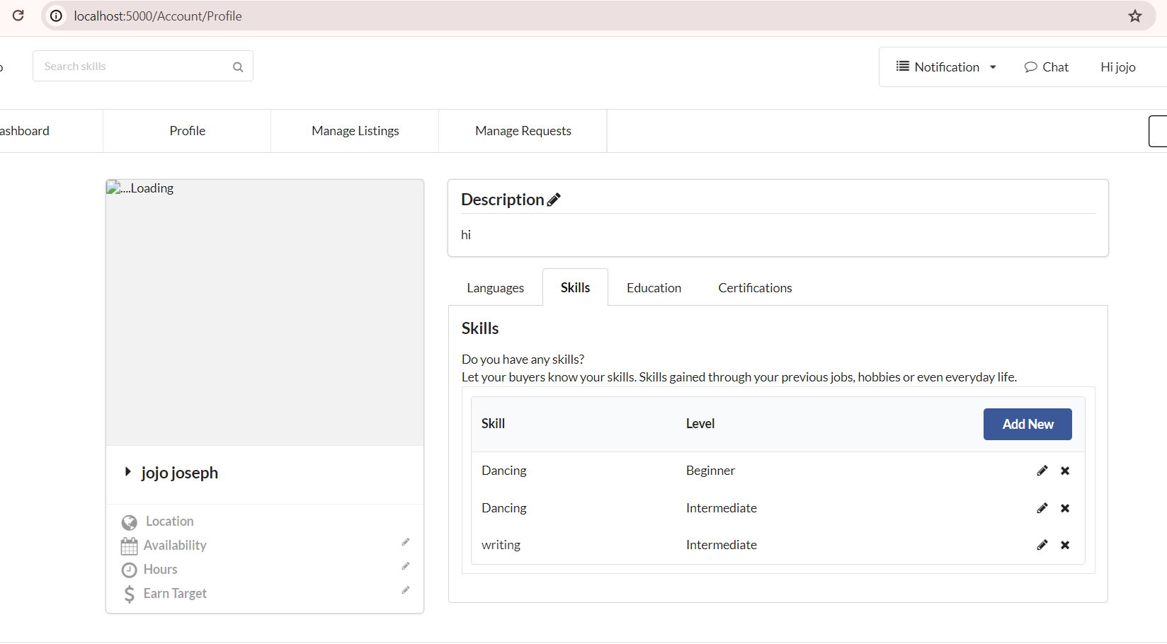
 | Screenshots

B001 | Able to perform edit and save the same language with different levels

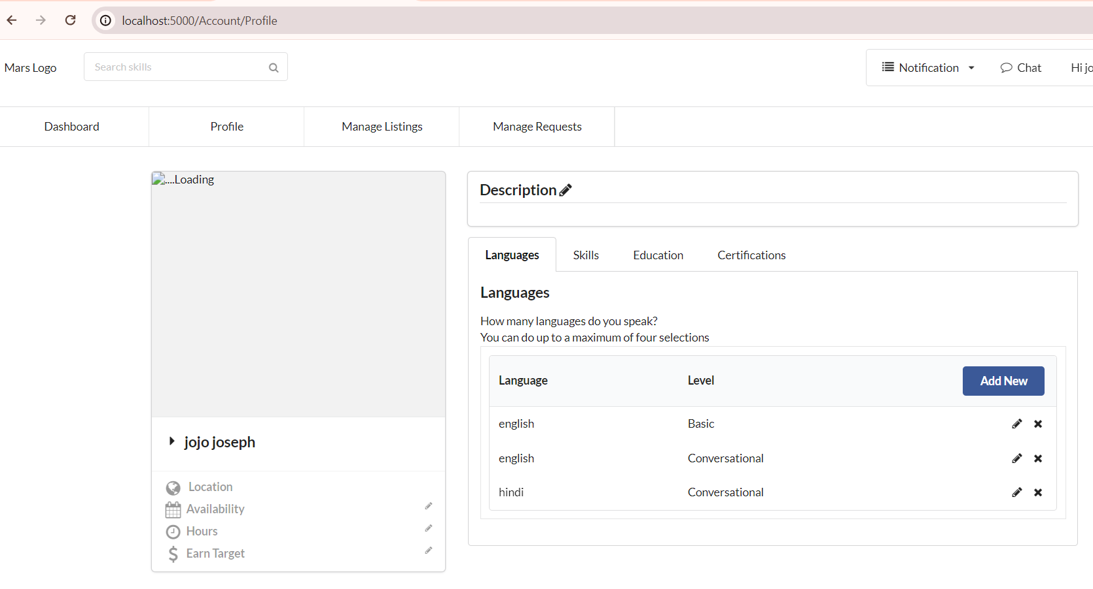

B004 | The text input field of language and Skill does not have a character limit.

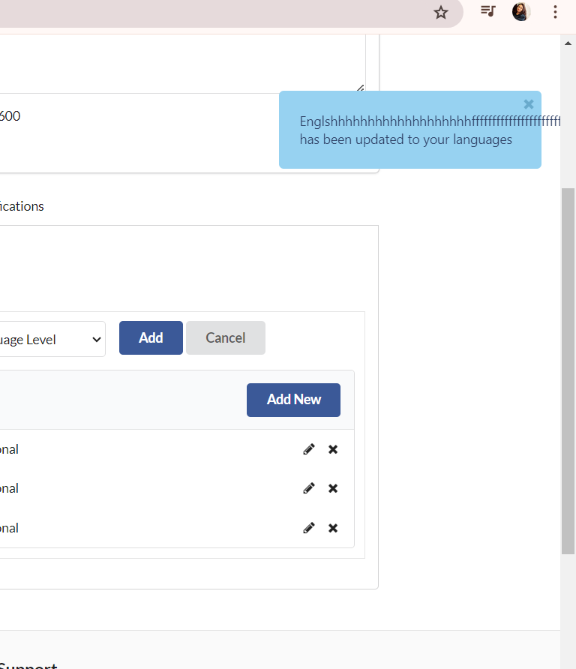
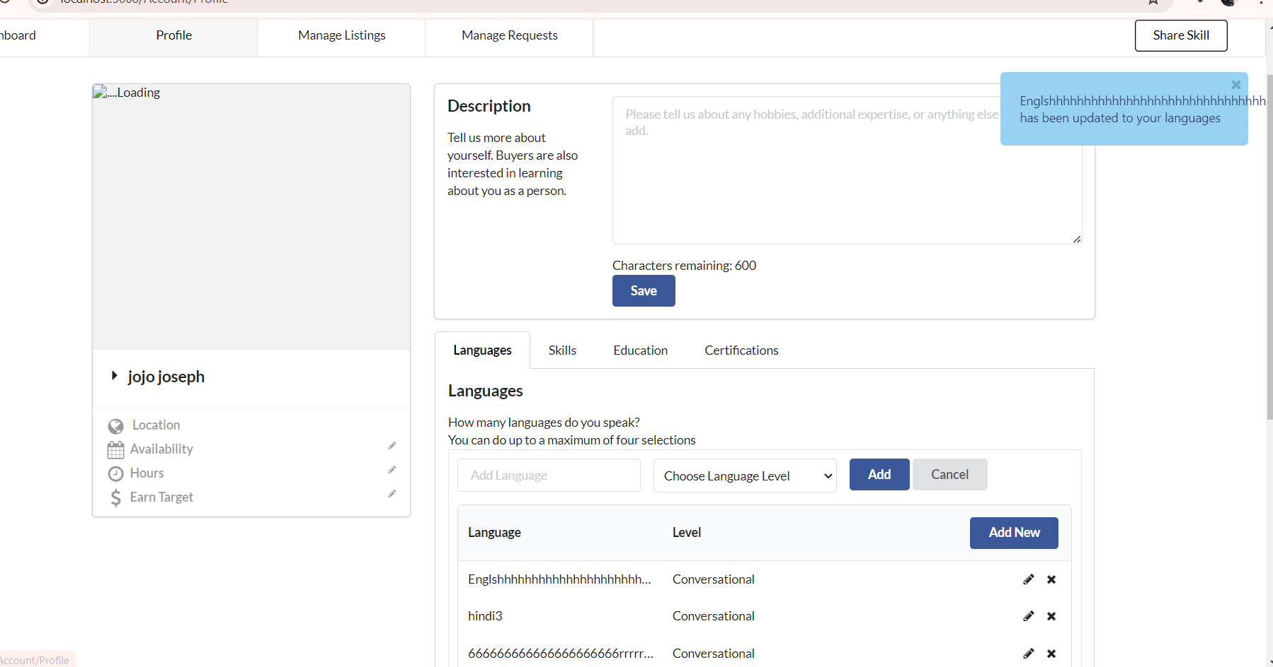

B005 | Able to perform edit and save the same Skill with different levels

